Sheet1
Values at nominal voltage |  | Note
Nominal voltage | 30 V | The recommended and most efficient operating voltage for the motor.
No load speed | 2080 rpm | The maximum speed the motor achieves when it's not driving any load
No load current | 490 mA | The small amount of current the motor draws to run at no-load speed
Nominal speed | 1780 rpm | The motor's speed when operating under its specified nominal torque and voltage, representing a typical, efficient operating point.
Nominal torque (max. continuous torque) | 988 mNm | The maximum torque the motor can continuously produce without overheating.
Nominal current (max. continuous current) | 7.06 A | The current drawn by the motor when it's producing its nominal torque.
Stall torque | 9950 mNm | The maximum torque the motor can produce when it is held at a standstill (0 RPM)
Stall current | 107 A | The maximum current the motor will draw when it is stalled.
Max. efficiency | 87% | The highest percentage of electrical power that the motor can convert into mechanical power.
Characteristics
Terminal resistance | 0.28 Ohm | The electrical resistance measured between any two of the motor's three phases.
Terminal inductance | 0.369 mH | The electrical inductance measured between any two of the motor's three phases.
Torque constant | 136 mNm/A | A key motor characteristic indicating how much torque is generated per amp of current (Kt​).
Speed constant | 70.2 rpm/V | Indicates the motor's no-load speed per volt of applied voltage (Kv​).
Speed / torque gradient | 0.144 rpm/mNm | Describes how much the motor's speed will drop for a given increase in load (torque).
Mechanical time constant | 7.66 ms | The time it takes for the rotor to reach 63.2% of its final speed after a voltage is applied.
Rotor inertia | 5060 gcm² | A measure of the rotor's resistance to changes in its rotational speed.

Current at full torque = | 7.2647058824
Volt at max RPM = | 29.62962963
Recommended Motor driver 1.2x of V | 36

Gain option, Gcsa:
5 V/V
10 V/V
20 V/V (use this)
40 V/V
Rsense, Unidirection Current Sensing |  | confusing, need revisiting
Rsene | 0.007
I | 14
Vvref | 3.3
Vsox | 3
Gcsa | 3.2985
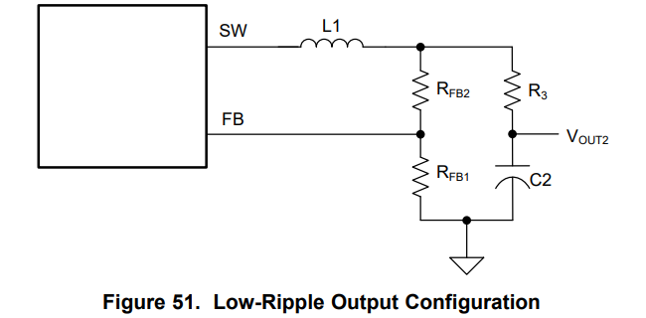
Internal buck converter
Vout | 3.3392857143
Rfb1 | 14000
Rfb2 | 4700

C3 | >0.47uF

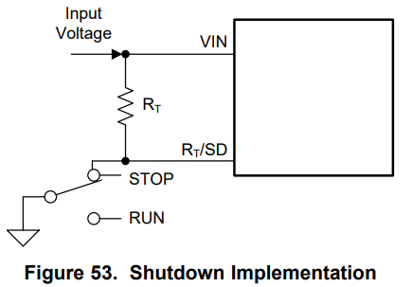
Rt, On-Time Generator and Shutdown
Ton | 0.0000005
Rt | 108225.10823
Vin | 30

Current Limit, Rcl (not required)
Rcl | 6614173228.3
Vfb | 30
Toff | 0.000035
 | 0.00000635

System Power Requirment
P | 260 | W
I | 8.6666666667 | A
V | 30 | V

Parameter | Vishay SIR680LDP (winner) | Infineon BSC030N08NS5 | Verdict
VDS​ (Voltage) | 80 V | 80 V | Identical
RDS(on)​ (max @ 10V) | 2.8 mΩ | 3.0 mΩ | Very similar, excellent performance
ID​ (Continuous) | 130 A | 100 A | Both far exceed motor requirements
Qg​ (Total Gate Charge, typ) | 40.5 nC | 61 nC | Lower gate charge, potentially more efficient switching
Package | PowerPAK SO-8 | SuperSO8 (similar footprint) | Both are thermally efficient packages

Shunt Resistor | TLRP3A30CR007FTE
Rshunt | 0.0070821529745
Imax (7.06A*2) | 14.12
Vshunt | 0.1
Power at continuous current (7.06A) | 0.353
Power at max current (14.12A) | 1.412

